Sheet1
 |  | Document No. | Issue No. | Issue Date |  | Review and Replace Date |  | Authorised By
 |  | GFF454MC | 3 | 05.09.2024 |  | 28.08.2025
 |  | Document Title | Gazebo Deli- Tawa Chunky Vegetable Curry 1250g
 |  | Packaging Changed |  |  | Page |  | 1 of 1 | Magda Shah
Document amendments reason for change |  |  |  |  | Previous Issue Date |  | 14.05.2025 | Uncontrolled copy unless signed original

CVTJAL-B1B | GAZEBO DELI - BOOTHS |  | Gazebo Deli-Tawa Chunky Vegetable Curry 1250g
STEP 1 |  |  |  |  | STEP 2
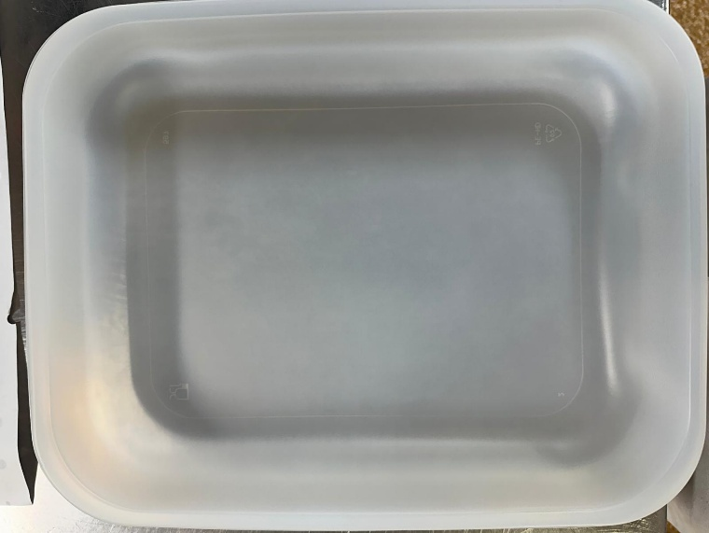 |  |  |  |  | 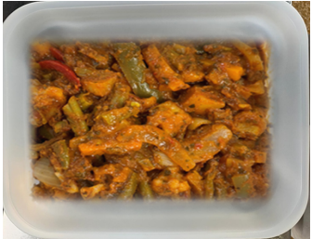

Tray: 597 natural (320x245x50mm) -PKPRO001-20 Film: S340AF 340mmX510mm AF&HB Weld- PKPRO001-17
Tawa Chunky Veg Curry (GFF488R) 1250g |  |  |  |  |  |  |  |  | 1250g
ALLERGY ALERT: Barley

